Types of Charts
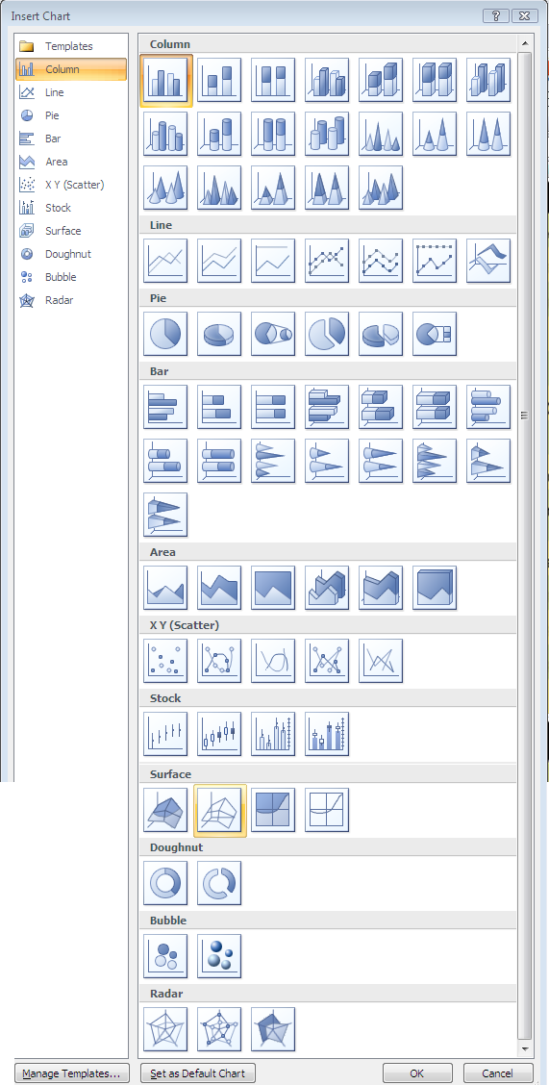
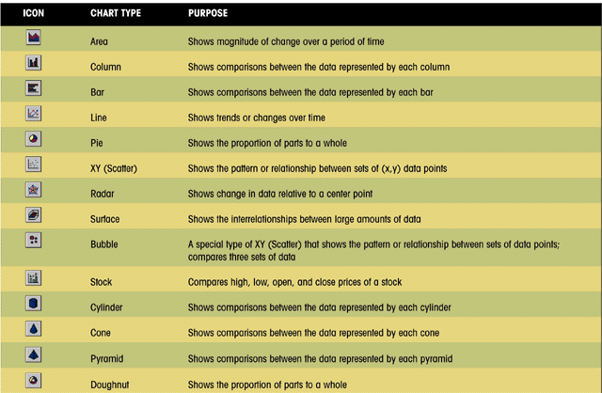

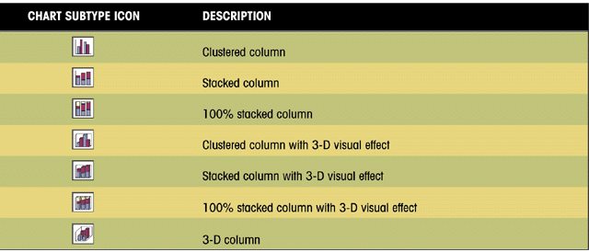

2007_2010 Ribbon
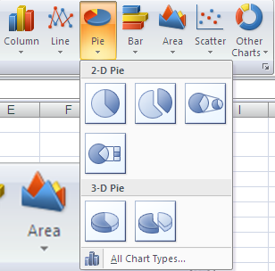
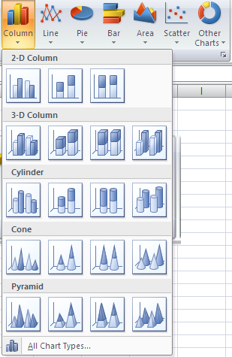
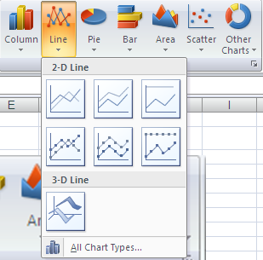
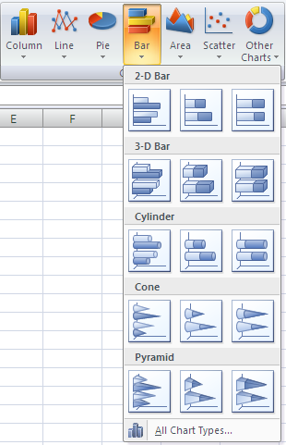
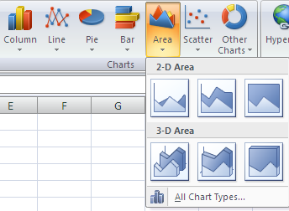
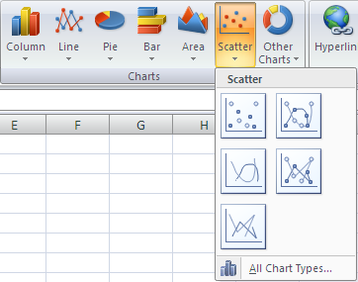
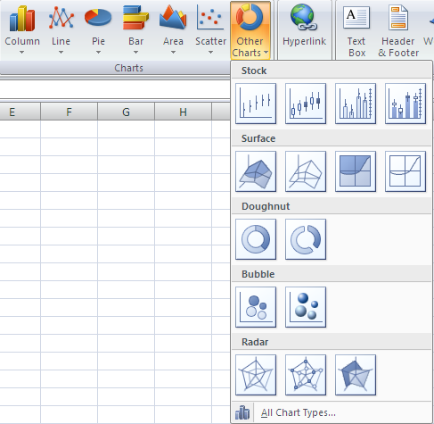
Insert Tab, Charts Group

2003 Chart Wizard
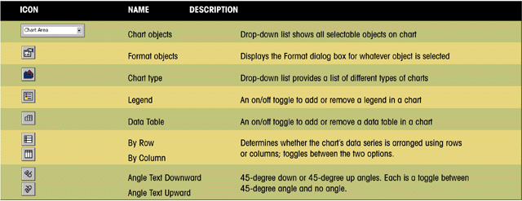
Enter Data

Windsor Stove Sales
 | Massachusetts | Vermont | Maine | Totals
Star | 418,679 | 272,522 | 175,000 | $866,201
Box | 337,102 | 227,150 | 130,808 | $695,060
West | 239,312 | 143,400 | 191,500 | $574,212
Circle | 46,325 | 10,390 | 24,615 | $81,330
Totals | $1,041,418 | $653,462 | $521,923 | $2,216,803

Select cells

Click on Wizard icon on toolbar
Step 1 - 4 to complete
#1 | Selects type of chart- Press and hold for sample
At next steps - Cancel, <Back, >Next, Finish buttons
#2 | Source of data and preview of what looks like
 | Collapse dialog box if want to change range
 | Series rows or columns can be reversed here too
#3 | Chart options - adding title(s)
 | Chart, Category (X) axis, Value (Y) axis
#4 | Chart location options - default is As object, or As new sheet
Click on finish and chart will appear - you can move it around by selecting and dragging
Select and delete is another options
All features of the wizard can be accessed and changed once chart is finished
 | However, sometimes just as well off to delete and start again.

Chart Toolbar (shown here) should be visible whenever chart is selected

Chart elements
Windsor Stove Sales
 | Massachusetts | Vermont | Maine | Totals
Star | 418,679 | 272,522 | 175,000 | $866,201
Box | 337,102 | 227,150 | 130,808 | $695,060
West | 239,312 | 143,400 | 191,500 | $574,212
Circle | 46,325 | 10,390 | 24,615 | $81,330
Totals | $1,041,418 | $653,462 | $521,923 | $2,216,803

 | EXCEL CHART ELEMENTS
 |  |  |  |  | (this chart saved as an object)
Sales by State and Model
value (Y) axis
Y axis title
X axis title
category (X)
axis labels
tick mark
data marker
category (X) axis
legend -
colors match corresponding parts of graph or chart
chart title
plot area
grid lines

Moving_Sizing_Updating
Moving/Sizing
Sales by State
Windsor Stove Sales
 | Massachusetts | Vermont | Maine | Totals
Star | 418,679 | 272,522 | 175,000 | $866,201
Box | 337,102 | 227,150 | 130,808 | $695,060
West | 239,312 | 143,400 | 191,500 | $574,212
Circle | 46,325 | 10,390 | 24,615 | $81,330
Totals | $1,041,418 | $653,462 | $521,923 | $2,216,803

Notice when chart is selected
 | Area of spreadsheet also selected
 | Chart toolbar appears
 | Word "Chart" appears on Menu Bar
Can Move and resize using handles
 | to keep in same proportion, use corners
 | to stretch or shrink, use sides/top/bottom

Can also select individual parts of chart
 | Be sure have appropriate part selected
 | Notice chart toolbar text changes as select different sections
 | Click on Format or double click to open Format dialog box
Updating
Changing data - auto update
Revising Chart
Changing series - delete Circle by selecting one and press delete
 | Changes chart not data
Editing text
 | Select (double click) and type changes
Adding Data labels
 | Select Chart
 | Chart/Chart Options for menu
 | Add labels want to add
Formatting the appearance
 | Text formatting
 | Colors and patterns- select data marker, Patterns, Fill Effects
Adding a Text Box
 | Select Chart, Start typing in formula bar and press enter
Printing
 | Worksheet with chart
 | Chart alone
 | Print Preview

Sales Data
Windsor Stove Sales
 | Massachusetts | Vermont | Maine | Totals
Star | 418,679 | 272,522 | 175,000 | $866,201
Box | 337,102 | 227,150 | 130,808 | $695,060
West | 239,312 | 143,400 | 191,500 | $574,212
Circle | 46,325 | 10,390 | 24,615 | $81,330
Totals | $1,041,418 | $653,462 | $521,923 | $2,216,803

Sales by State and Model

Creating Pie Charts
Windsor Stove Sales
 | Massachusetts | Vermont | Maine | Totals
Star | 418,679 | 272,522 | 175,000 | $866,201
Box | 337,102 | 227,150 | 130,808 | $695,060
West | 239,312 | 143,400 | 191,500 | $574,212
Sales by Model
Circle | 46,325 | 10,390 | 24,615 | $81,330
Totals | $1,041,418 | $653,462 | $521,923 | $2,216,803

Selecting non-adjacent cells - mouse and Ctrl key

PIE Chart
 | Flat
 | 3 Dimensional

Exploding
Rotating- Chart on Menu bar
 | 3-D View Dialog Box

Label font size- formatting tool bar
Double click chart "piece" - format dialog box

Chart1
Sales by Model
Star | $866,201
Box | $695,060
West | $574,212
Circle | $81,330

Creating Bar Chart
Windsor Stove Sales
 | Massachusetts | Vermont | Maine | Totals
Star | 418,679 | 272,522 | 175,000 | $866,201
Box | 337,102 | 227,150 | 130,808 | $695,060
West | 239,312 | 143,400 | 191,500 | $574,212
Circle | 46,325 | 10,390 | 24,615 | $81,330
Totals | $1,041,418 | $653,462 | $521,923 | $2,216,803

Selecting non-adjacent cells - mouse and Ctrl key

BAR Chart
 | Categories vertically
 | Values horizontally
Use of graphics
 | Select Bar
 | Insert/From File
 | Stretch is default - not all work well
 | To Stack
 | Select Bar/Format/Fill Effects/Picture/Stack and scale
 | Can also select picture from here
Label font size- formatting tool bar
Double click chart "piece" - format dialog box

Sales by Model

Documentation
Cast Iron Concepts

Date created: | 2000-11-09

Created by:

Purpose: | To show sales data in graphical form

To hide gridlines - Tools/Options
This is a text box from Drawing Toolbar.

