8 countries
 | afghan | taiwan | thailan | japan | us | ivoryc | germanW | ecuador
52 | 30
26 |  | 5
34 |  |  | 10
16 |  |  |  | 6
15 |  |  |  |  | 9
48 |  |  |  |  |  | 23
10 |  |  |  |  |  |  | 12
42 |  |  |  |  |  |  |  | 11
8 countries selected from the Data in the BIRTH_DEATH file referred to on Page 302 of Lattin,Carroll&Green(2003)
# | Symbol | Country | Birth Rate | Death Rate
1 | Af | afghan | 52 | 30
2 | Ta | taiwan | 26 | 5
3 | Th | thailan | 34 | 10
4 | Ja | japan | 16 | 6
5 | US | us | 15 | 9
6 | IC | ivoryc | 48 | 23
7 | WG | germanW | 10 | 12
8 | Ec | ecuador | 42 | 11

 |  | Country | Birth Rate | afghan | taiwan | thailan | japan | us | ivoryc | germanW | ecuador
1 | Af | afghan | 52 | 30
2 | Ta | taiwan | 26 |  | 5
3 | Th | thailan | 34 |  |  | 10
4 | Ja | japan | 16 |  |  |  | 6
5 | US | us | 15 |  |  |  |  | 9
6 | IC | ivoryc | 48 |  |  |  |  |  | 23
7 | WG | germanW | 10 |  |  |  |  |  |  | 12
8 | Ec | ecuador | 42 |  |  |  |  |  |  |  | 11
 | afghan | taiwan | thailan | japan | us | ivoryc | germanW | ecuador
22 | 1
21 |  | 1
24 |  |  | 1
10 |  |  |  | 1
6 |  |  |  |  | 1
25 |  |  |  |  |  | 1
-2 |  |  |  |  |  |  | 1
31 |  |  |  |  |  |  |  | 1
 |  | Country | Growth Rate | afghan | taiwan | thailan | japan | us | ivoryc | germanW | ecuador
 |  | afghan | 22 | 1
 |  | taiwan | 21 |  | 1
 |  | thailan | 24 |  |  | 1
 |  | japan | 10 |  |  |  | 1
 |  | us | 6 |  |  |  |  | 1
 |  | ivoryc | 25 |  |  |  |  |  | 1
 |  | germanW | -2 |  |  |  |  |  |  | 1
 |  | ecuador | 31 |  |  |  |  |  |  |  | 1

Single #1
Nearest Neighbor (Single Linkage) using squared Euclidean distance
Agglomeration Schedule
Stage | Cluster Combined |  | Coefficients | Stage Cluster First Appears |  | Next Stage
 | Cluster 1 | Cluster 2 |  | Cluster 1 | Cluster 2 |  |  |  | Country
1 | 4 | 5 | 10 | 0 | 0 | 2 |  | 1 | afghan
2 | 4 | 7 | 34 | 1 | 0 | 6 |  | 2 | taiwan
3 | 3 | 8 | 65 | 0 | 0 | 5 |  | 3 | thailan
4 | 1 | 6 | 65 | 0 | 0 | 7 |  | 4 | japan
5 | 2 | 3 | 89 | 0 | 3 | 6 |  | 5 | us
6 | 2 | 4 | 101 | 5 | 2 | 7 |  | 6 | ivoryc
7 | 1 | 2 | 180 | 4 | 6 | 0 |  | 7 | germanW
 |  |  |  |  |  |  |  | 8 | ecuador
 | afghan | taiwan | thailan | japan | us | ivoryc | germanW | ecuador
52 | 30
26 |  | 5
34 |  |  | 10
16 |  |  |  | 6
15 |  |  |  |  | 9
48 |  |  |  |  |  | 23
10 |  |  |  |  |  |  | 12
42 |  |  |  |  |  |  |  | 11
Stage 1 | Stage 2 | Stage 3 | Stage 4 | Stage 5 | Stage 6 | Stage 7
#4 | #4 | #3 | #1 | #2 | #2 | #1
japan | japan | thailan | afghan | taiwan | taiwan | afghan
us | us | ecuador | ivoryc | thailan | thailan | ivoryc
 | germanW |  |  | ecuador | ecuador | taiwan
 |  |  |  |  | japan | thailan
 |  |  |  |  | us | ecuador
 |  |  |  |  | germanW | japan
 |  |  |  |  |  | us
 |  |  |  |  |  | germanW

Country | Stage 0 | Stage 1 | Stage 2 | Stage 3 | Stage 4 | Stage 5 | Stage 6 | Stage 7
afghan | 1 | 1 | 1 | 1 | 1 | 1 | 1 | 1
ivoryc | 6 | 6 | 6 | 6 | 1 | 1 | 1 | 1
taiwan | 2 | 2 | 2 | 2 | 2 | 2 | 2 | 1
thailan | 3 | 3 | 3 | 3 | 3 | 2 | 2 | 1
ecuador | 8 | 8 | 8 | 3 | 3 | 2 | 2 | 1
japan | 4 | 4 | 4 | 4 | 4 | 4 | 2 | 1
us | 5 | 4 | 4 | 4 | 4 | 4 | 2 | 1
germanW | 7 | 7 | 4 | 4 | 4 | 4 | 2 | 1

74 countries
Figure 8.19, Page 302
 | Data from the BIRTH_DEATH file referred to on Page 302 of Lattin,Carroll&Green(2003)
 |  | These rates are per 1,000
# | Country | Birth Rate | Death Rate
1 | afghan | 52 | 30
2 | algeria | 50 | 16
3 | angola | 47 | 23
4 | argen | 22 | 10
5 | austral | 16 | 8
6 | austria | 12 | 13
7 | bangla | 47 | 19
8 | belgium | 12 | 12
9 | brazil | 36 | 10
10 | bulgar | 17 | 10
11 | burma | 38 | 15
12 | cameroo | 42 | 22
13 | canada | 16 | 7
14 | chile | 22 | 7
15 | china | 31 | 11
16 | taiwan | 26 | 5
17 | colomb | 34 | 10
18 | cuba | 20 | 6
19 | czech | 19 | 11
20 | ecuador | 42 | 11
21 | egypt | 39 | 13
22 | ethiop | 48 | 23
23 | france | 14 | 11
24 | germanE | 12 | 14
25 | germanW | 10 | 12
26 | ghana | 46 | 14
27 | greece | 16 | 9
28 | guatema | 40 | 14
29 | hungary | 18 | 12
30 | india | 36 | 15
31 | indone | 38 | 16
32 | iran | 42 | 12
33 | iraq | 48 | 14
34 | italy | 14 | 10
35 | ivoryc | 48 | 23
36 | japan | 16 | 6
37 | kenya | 50 | 14
38 | koreaN | 43 | 12
39 | koreaS | 26 | 6
40 | madagas | 47 | 22
41 | malays | 30 | 6
42 | mexico | 40 | 7
43 | morocco | 47 | 16
44 | mozamb | 45 | 18
45 | nepal | 46 | 20
46 | netherl | 13 | 8
47 | nigeria | 49 | 22
48 | pakist | 44 | 14
49 | peru | 40 | 13
50 | philipp | 34 | 10
51 | poland | 20 | 9
52 | portug | 19 | 10
53 | rhodes | 48 | 14
54 | romania | 19 | 10
55 | saudia | 49 | 19
56 | safrica | 36 | 12
57 | spain | 18 | 8
58 | srilank | 26 | 9
59 | sudan | 49 | 17
60 | sweden | 12 | 11
61 | switzer | 12 | 9
62 | syria | 47 | 14
63 | tanzani | 47 | 17
64 | thailan | 34 | 10
65 | turkey | 34 | 12
66 | ussr | 18 | 9
67 | uganda | 48 | 17
68 | uk | 12 | 12
69 | us | 15 | 9
70 | upvolta | 50 | 28
71 | venezu | 36 | 6
72 | vietnam | 42 | 17
73 | yugosla | 18 | 8
74 | zaire | 45 | 18

K-means 10 Clusters
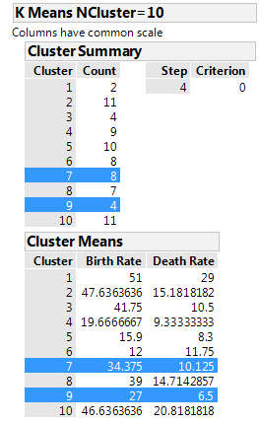
SPSS Output |  |  |  |  |  |  |  |  |  |  |  | JMP Cluster Summary |  |  | Cluster Means
Final Cluster Centers |  |  |  |  |  |  |  |  |  |  |  | Cluster | Count | Cluster | Birth Rate | Death Rate
 | Cluster |  |  |  |  |  |  |  |  |  |  | 1 | 2 | 1 | 51 | 29
 | 1 | 2 | 3 | 4 | 5 | 6 | 7 | 8 | 9 | 10 |  | 2 | 11 | 2 | 47.6363636 | 15.1818182
Birth_Rate | 51.0 | 47.5 | 47.0 | 19.7 | 15.9 | 40.8 | 27.0 | 12.0 | 34.4 | 38.0 |  | 3 | 4 | 3 | 41.75 | 10.5
Death_Rate | 29.0 | 15.8 | 21.4 | 9.3 | 8.3 | 13.7 | 6.5 | 11.8 | 11.3 | 6.5 |  | 4 | 9 | 4 | 19.6666667 | 9.33333333
52 | 30
50 | 16
47 | 23
22 | 10
16 | 8
12 | 13
47 | 19
12 | 12
36 | 10
17 | 10
38 | 15
42 | 22
16 | 7
22 | 7
31 | 11
26 | 5
34 | 10
20 | 6
19 | 11
42 | 11
39 | 13
48 | 23
14 | 11
12 | 14
10 | 12
46 | 14
16 | 9
40 | 14
18 | 12
36 | 15
38 | 16
42 | 12
48 | 14
14 | 10
48 | 23
16 | 6
50 | 14
43 | 12
26 | 6
47 | 22
30 | 6
40 | 7
47 | 16
45 | 18
46 | 20
13 | 8
49 | 22
44 | 14
40 | 13
34 | 10
...
K-means clustering can help identify data points on the fringes (extremes) of a set of data.
Out of the 10 clusters created for this set of data,
Cluster 1 only had 2 countries
Cluster 7 only had 4 countries
Cluster 10 only had 2 countries.
These clusters are shown below.
Number of Cases in each Cluster |  |  |  |  |  |  |  |  |  |  |  | 5 | 10 | 5 | 15.9 | 8.3
 |  |  |  |  |  |  |  |  |  |  |  | 6 | 8 | 6 | 12 | 11.75
Cluster 1 | 2 |  |  |  |  |  |  |  |  |  |  | 7 | 8 | 7 | 34.375 | 10.125
Cluster 2 | 12 |  |  |  |  |  |  |  |  |  |  | 8 | 7 | 8 | 39 | 14.7142857
Cluster 3 | 9 |  |  |  |  |  |  |  |  |  |  | 9 | 4 | 9 | 27 | 6.5
Cluster 4 | 9 |  |  |  |  |  |  |  |  |  |  | 10 | 11 | 10 | 46.6363636 | 20.8181818
Cluster 5 | 10 |  |  |  |  |  |  |  |  |  |  | Total | 74
Cluster 6 | 10
Cluster 7 | 4
Cluster 8 | 8
Cluster 9 | 8
Cluster 10 | 2
Valid | 74
Missing

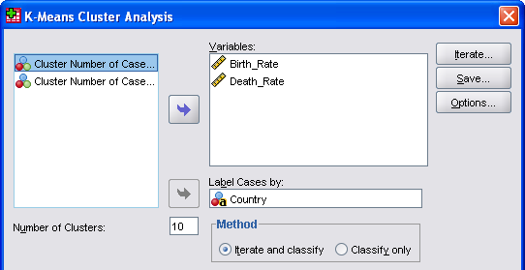

 |  |  |  |  |  |  |  |  | Final Cluster Centers
 |  |  |  |  |  |  |  |  |  | Cluster
 |  |  |  |  |  |  |  |  |  | 1 | 2 | 3 | 4 | 5 | 6 | 7 | 8 | 9 | 10
 |  |  |  |  |  |  |  |  | Birth Rate per 1,000 | 51.0 | 47.5 | 47.0 | 19.7 | 15.9 | 40.8 | 27.0 | 12.0 | 34.4 | 38.0
 |  |  |  |  |  |  |  |  | Death Rate per 1,000 | 29.0 | 15.8 | 21.4 | 9.3 | 8.3 | 13.7 | 6.5 | 11.8 | 11.3 | 6.5

SPSS 5 or 6 clusters
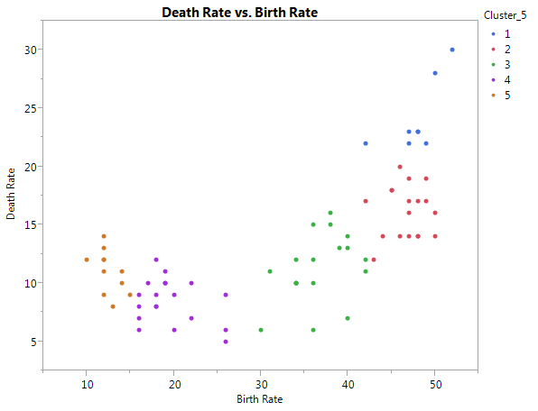
5 clusters
5 Cluster Summary
Cluster | Count
1 | 8
2 | 18
3 | 18
4 | 19
5 | 11

Cluster Means
Cluster | Birth Rate | Death Rate
1 | 47.875 | 24.125
2 | 46.7222222 | 16.1111111
3 | 36.6666667 | 11.2777778
4 | 19.5789474 | 8.42105263
5 | 12.5454545 | 11

?
Cluster Standard Deviations
Cluster | Birth Rate | Death Rate
1 | 2.7128168 | 2.89125838
2 | 2.20619218 | 2.18298697
3 | 3.38296386 | 2.84420572
4 | 3.28178048 | 1.84435952
5 | 1.30479092 | 1.75809815

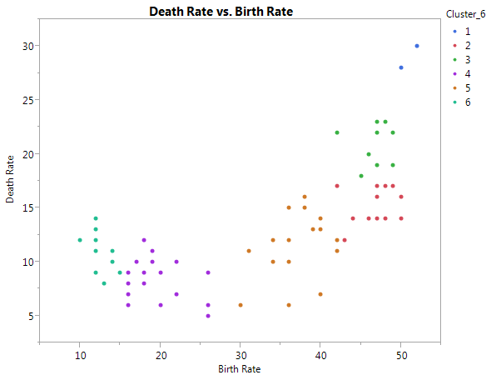

6 Cluster Summary
Cluster | Count
1 | 2
2 | 13
3 | 11
4 | 19
5 | 18
6 | 11

Cluster Means
Cluster | Birth Rate | Death Rate
1 | 51 | 29
2 | 46.8461538 | 15.0769231
3 | 46.6363636 | 20.8181818
4 | 19.5789474 | 8.42105263
5 | 36.6666667 | 11.2777778
6 | 12.5454545 | 11

Cluster Standard Deviations
Cluster | Birth Rate | Death Rate
1 | 1 | 1
2 | 2.41298264 | 1.59139699
3 | 1.96666433 | 1.94553951
4 | 3.28178048 | 1.84435952
5 | 3.38296386 | 2.84420572
6 | 1.30479092 | 1.75809815

SPSS 7 clusters
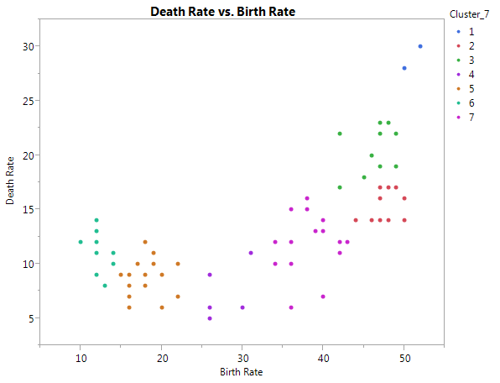
7 Cluster Summary

Cluster | Count
1 | 2
2 | 11
3 | 12
4 | 5
5 | 17
6 | 10
7 | 17

7 Cluster Means
Cluster | Birth Rate | Death Rate
1 | 51 | 29
2 | 47.6363636 | 15.1818182
3 | 46.25 | 20.5
4 | 27.8 | 7.4
5 | 18.1764706 | 8.76470588
6 | 12.3 | 11.2
7 | 37.7647059 | 11.6470588

7 Cluster Standard Deviations
Cluster | Birth Rate | Death Rate
1 | 1 | 1
2 | 1.66639116 | 1.33608531
3 | 2.27760839 | 2.1408721
4 | 2.22710575 | 2.24499443
5 | 2.00690848 | 1.62804147
6 | 1.1 | 1.72046505
7 | 2.96110893 | 2.61086365

