Data
Data for distance and % of shots made on a basketball court

D
 |  |  |  | Straight Line
Distance | % Made | Made | Attmpts | Predicted | squared error
1 | 90% | 9 | 10 | 0.95132027257 | 0.0026337703769
5 | 80% | 8 | 10 | 0.81963373083 | 0.00038548338649
10 | 70% | 7 | 10 | 0.65502555366 | 0.0020227008233
15 | 60% | 6 | 10 | 0.49041737649 | 0.012008351375
20 | 30% | 3 | 10 | 0.32580919932 | 0.00066611476947
25 | 10% | 1 | 10 | 0.16120102215 | 0.0037455651118
30 | 0% | 0 | 10 | -0.0034071550256 | 1.1608705368E-05
35 |  |  |  | -0.1680153322 | 0.021473594549
If you use a least-squares straight line to predict the probability of making a basket then the probability at 30 ft. & 35 ft. is negative in each case.

 |  |  |  |  | 0.021473594549 | = Total of Squared Error

 |  |  |  |  | 0.98424190801 | = Intercept
 |  |  |  |  | -0.032921635434 | = Slope

Logistic
Linear regression is for Y (response variable) being a continuous variable, but it is not a proper modeling method if the Y (response variable) is a categorical variable.
Binary or Bivariate Logistic Regression can model the relationship between a dichotomous (2-category) variable and one or more quantitative predictor or independent variables (some of which may be indicator or dummy variables representing one or more categorical variables). The model can be used to predict the probability of an event occuring for a set of values for the predictor variables. Hence for logistic regression the predicted value is the probability $\hat{p}$ of an event rather than the value of the response variable $\hat{y}$ as is the case with least squares linear regression.
Phenomenon Probability(event) = $\frac{1}{1+ e^{−Linear Function of values}}$ (22.1), page 682,
where Phenomenon Linear Function = β₀ +β₁∙x₁ +β₂∙x₂ + ... + β_{k}∙x_{k}, for k = number of predictor variables.
Section 22.5.1 (page699) describes how a Maximum Likelihood estimation procedure can estimate the β values with b values. Excel has no such procedure so a package like JMP, SPSS, SAS or R is used.
These can be used find a predicted probability $\hat{p }$ = $\frac{1}{1+ e^{−(Sample Linear Function of values)}}$
which is based on the sample data where Sample Linear Function = b₀ +b₁∙x₁ +b₂∙x₂ + ... + b_{k}∙x_{k}, for k = number of predictor variables.
A mathematically equivalent expression is $\hat{p }$ = $\frac{e^{Linear Function of values}}{1+ e^{Linear Function of values}}$
where Sample Linear Function = b₀ +b₁∙x₁ +b₂∙x₂ + ... + b_{k}∙x_{k}, where k = number of predictor variables.
Note that the Linear Function = natural logarithm of the odds ratio.

y =1st order fcn.
 | Predicted | Made
1 | 0.92761331308 | 90%
5 | 0.86212987358 | 80%
10 | 0.71833555256 | 70%
15 | 0.50983545397 | 60%
20 | 0.29785637693 | 30%
25 | 0.14749308682 | 10%
30 | 0.065910563543 | 0%
35 | 0.027972915865
40 | 0.01160071096
45 | 0.0047639925203
50 | 0.0019484567489
Fit a linear function of an exponential to the data. |  |  |  |  |  | 0.019692844901 | = total of squared error
A | B
2.7299672477 | -0.17937469042 |  | 5 | -0.35

D | p-hat | % |  |  | Squared
Distance | Predicted | Made | Made | Attmpts | Error
1 | 0.92761331308 | 90% | 9 | 10 | 0.0007624950591
5 | 0.86212987358 | 80% | 8 | 10 | 0.0038601211911
10 | 0.71833555256 | 70% | 7 | 10 | 0.00033619248755
15 | 0.50983545397 | 60% | 6 | 10 | 0.0081296453605
20 | 0.29785637693 | 30% | 3 | 10 | 4.59511986E-06
25 | 0.14749308682 | 10% | 1 | 10 | 0.0022555932962
30 | 0.065910563543 | 0% | 0 | 10 | 0.0043442023866
With this function the predictions are never negative.
35 | 0.027972915865 |  |  |  | 0.019692844901
40 | 0.01160071096
45 | 0.0047639925203 |  |  |  |  |  | Solver Solution
50 | 0.0019484567489 |  |  |  |  |  | 2.7299577745 | -0.17937333202

y = f(ln(odds))
Fit a line letting x = distance and y = ln(odds).
 |  | made
Distance | ln(odds) | odds ratio | Made | Missed
1 | 2.1972245773 | 9 | 9 | 1
5 | 1.3862943611 | 4 | 8 | 2
10 | 0.84729786039 | 2.3333333333 | 7 | 3
15 | 0.40546510811 | 1.5 | 6 | 4
20 | -0.84729786039 | 0.42857142857 | 3 | 7
25 | -2.1972245773 | 0.11111111111 | 1 | 9
30 | #NUM! | 0 | 0 | 10
The criteria are different and the coefficients to the right are not the same as those determined on the previous sheet, but the coefficients are close. Data for 30 ft. are not used because ln(0) = undefined.

 | 2.4710173194 | = Intercept
 | -0.1715045322 | = Slope

Likelihood
The likelihood function is not a nice smooth function so Solver can't be used to determine a maximum.
I used a trial and error procedure below to move toward values of A & B that would attempt to maximize the Likelihood Function.
 |  |  | Fit a linear function of an exponential to the data.
 |  |  | A | B
 |  |  | 3 | -0.2 |  | L = | 1.8677299192E-14 | = Likelihood Function Product

 |  |  |  |  |  | SPSS = | 2.696 | -0.186
 |  |  |  |  |  |  | 2.7 | -0.185
 |  |  |  |  |  |  |  |  | B
Set |  |  | D | 0=miss,1=made | p-hat | p-hat | Likelihood | A | -0.25 | -0.22 | -0.2 | -0.195 | -0.198 | -0.19 | -0.1875 | -0.185 | -0.18 | -0.15 | -0.1
# | Obs. | Result | Distance | Made_shot | Made | Missed | Element | 2 |  |  | 3.9678600587E-16 |  |  |  |  |  |  |  | 1.4263459378E-16
1 | 1 | Made | 1 | 1 | 0.9426758241 | 0.057324175899 | 0.9426758241 | 2.5 |  |  | 8.909471996E-15 |  |  | 1.4691125058E-14 |  | 1.7295235477E-14 |  |  | 5.215912195E-19
2 | 2 | Made | 1 | 1 | 0.9426758241 | 0.057324175899 | 0.9426758241 | 2.625 |  |  |  |  | 1.4604114671E-14 | 1.876392716E-14 | 1.9649831262E-14 | 2.0248227424E-14 | 2.0444487329E-14
3 | 3 | Made | 1 | 1 | 0.9426758241 | 0.057324175899 | 0.9426758241 | 2.67 |  |  |  |  |  |  | 2.033510535E-14 | 2.0617015387E-14 | 2.0131378557E-14
4 | 4 | Made | 1 | 1 | 0.9426758241 | 0.057324175899 | 0.9426758241 | 2.7 |  |  |  |  | 1.7035797482E-14 | 2.0174309668E-14 | 2.0572026753E-14 | 2.0630384598E-14 | 1.9695184066E-14
5 | 5 | Made | 1 | 1 | 0.9426758241 | 0.057324175899 | 0.9426758241 | 2.75 | 3.5275574173E-16 | 6.2886384804E-15 | 1.7371453323E-14 | 1.9483271995E-14 | 1.8319992771E-14 | 2.0526879449E-14 | 2.0557008448E-14 | 2.0238903698E-14 | 1.8601053947E-14 | 2.0112091959E-15
6 | 6 | Made | 1 | 1 | 0.9426758241 | 0.057324175899 | 0.9426758241 | 2.875 |  | 9.5933660017E-15 | 1.9404597217E-14 | 1.9967408897E-14 | 1.977936141E-14 | 1.9232135671E-14 |  | 1.7271713557E-14 | 1.440388804E-14 | 7.9984481643E-16
7 | 7 | Made | 1 | 1 | 0.9426758241 | 0.057324175899 | 0.9426758241 | 2.9 |  |  | 1.9487625686E-14 | 1.9703283998E-14 | 1.9726421367E-14
8 | 8 | Made | 1 | 1 | 0.9426758241 | 0.057324175899 | 0.9426758241 | 2.94 |  | 1.1317075346E-14 | 1.9379657876E-14 |  |  | 1.7487587865E-14 |  |  | 1.183311364E-14
9 | 9 | Made | 1 | 1 | 0.9426758241 | 0.057324175899 | 0.9426758241 | 3 | 1.5639392861E-15 | 1.2753497161E-14 | 1.8677299192E-14 |  |  |  |  |  |  | 2.6639410722E-16 | 8.5562381142E-23
10 | 10 | Miss | 1 | 0 | 0.9426758241 | 0.057324175899 | 0.057324175899 | 3.25 | 4.2392792914E-15 |  | 1.1074902191E-14
1 | 11 | Made | 5 | 1 | 0.88079707798 | 0.11920292202 | 0.88079707798 | 3.5 |  |  | 3.6290970729E-15
2 | 12 | Made | 5 | 1 | 0.88079707798 | 0.11920292202 | 0.88079707798 | 4 |  |  | 6.6963668879E-17 |  |  |  |  |  |  |  | 1.4867694167E-33
3 | 13 | Made | 5 | 1 | 0.88079707798 | 0.11920292202 | 0.88079707798
4 | 14 | Made | 5 | 1 | 0.88079707798 | 0.11920292202 | 0.88079707798
5 | 15 | Made | 5 | 1 | 0.88079707798 | 0.11920292202 | 0.88079707798
6 | 16 | Made | 5 | 1 | 0.88079707798 | 0.11920292202 | 0.88079707798
7 | 17 | Made | 5 | 1 | 0.88079707798 | 0.11920292202 | 0.88079707798
8 | 18 | Made | 5 | 1 | 0.88079707798 | 0.11920292202 | 0.88079707798
9 | 19 | Miss | 5 | 0 | 0.88079707798 | 0.11920292202 | 0.11920292202
10 | 20 | Miss | 5 | 0 | 0.88079707798 | 0.11920292202 | 0.11920292202
1 | 21 | Made | 10 | 1 | 0.73105857863 | 0.26894142137 | 0.73105857863
2 | 22 | Made | 10 | 1 | 0.73105857863 | 0.26894142137 | 0.73105857863
3 | 23 | Made | 10 | 1 | 0.73105857863 | 0.26894142137 | 0.73105857863
4 | 24 | Made | 10 | 1 | 0.73105857863 | 0.26894142137 | 0.73105857863
5 | 25 | Made | 10 | 1 | 0.73105857863 | 0.26894142137 | 0.73105857863
6 | 26 | Made | 10 | 1 | 0.73105857863 | 0.26894142137 | 0.73105857863
7 | 27 | Made | 10 | 1 | 0.73105857863 | 0.26894142137 | 0.73105857863
8 | 28 | Miss | 10 | 0 | 0.73105857863 | 0.26894142137 | 0.26894142137
9 | 29 | Miss | 10 | 0 | 0.73105857863 | 0.26894142137 | 0.26894142137
10 | 30 | Miss | 10 | 0 | 0.73105857863 | 0.26894142137 | 0.26894142137
1 | 31 | Made | 15 | 1 | 0.5 | 0.5 | 0.5
2 | 32 | Made | 15 | 1 | 0.5 | 0.5 | 0.5
3 | 33 | Made | 15 | 1 | 0.5 | 0.5 | 0.5
4 | 34 | Made | 15 | 1 | 0.5 | 0.5 | 0.5
5 | 35 | Made | 15 | 1 | 0.5 | 0.5 | 0.5
6 | 36 | Made | 15 | 1 | 0.5 | 0.5 | 0.5
7 | 37 | Miss | 15 | 0 | 0.5 | 0.5 | 0.5
8 | 38 | Miss | 15 | 0 | 0.5 | 0.5 | 0.5
9 | 39 | Miss | 15 | 0 | 0.5 | 0.5 | 0.5
10 | 40 | Miss | 15 | 0 | 0.5 | 0.5 | 0.5
1 | 41 | Made | 20 | 1 | 0.26894142137 | 0.73105857863 | 0.26894142137
2 | 42 | Made | 20 | 1 | 0.26894142137 | 0.73105857863 | 0.26894142137
3 | 43 | Made | 20 | 1 | 0.26894142137 | 0.73105857863 | 0.26894142137
4 | 44 | Miss | 20 | 0 | 0.26894142137 | 0.73105857863 | 0.73105857863
5 | 45 | Miss | 20 | 0 | 0.26894142137 | 0.73105857863 | 0.73105857863
6 | 46 | Miss | 20 | 0 | 0.26894142137 | 0.73105857863 | 0.73105857863
7 | 47 | Miss | 20 | 0 | 0.26894142137 | 0.73105857863 | 0.73105857863
8 | 48 | Miss | 20 | 0 | 0.26894142137 | 0.73105857863 | 0.73105857863
9 | 49 | Miss | 20 | 0 | 0.26894142137 | 0.73105857863 | 0.73105857863
10 | 50 | Miss | 20 | 0 | 0.26894142137 | 0.73105857863 | 0.73105857863
1 | 51 | Made | 25 | 1 | 0.11920292202 | 0.88079707798 | 0.11920292202
2 | 52 | Miss | 25 | 0 | 0.11920292202 | 0.88079707798 | 0.88079707798
3 | 53 | Miss | 25 | 0 | 0.11920292202 | 0.88079707798 | 0.88079707798
4 | 54 | Miss | 25 | 0 | 0.11920292202 | 0.88079707798 | 0.88079707798
5 | 55 | Miss | 25 | 0 | 0.11920292202 | 0.88079707798 | 0.88079707798
6 | 56 | Miss | 25 | 0 | 0.11920292202 | 0.88079707798 | 0.88079707798
7 | 57 | Miss | 25 | 0 | 0.11920292202 | 0.88079707798 | 0.88079707798
8 | 58 | Miss | 25 | 0 | 0.11920292202 | 0.88079707798 | 0.88079707798
9 | 59 | Miss | 25 | 0 | 0.11920292202 | 0.88079707798 | 0.88079707798
10 | 60 | Miss | 25 | 0 | 0.11920292202 | 0.88079707798 | 0.88079707798
1 | 61 | Miss | 30 | 0 | 0.047425873178 | 0.95257412682 | 0.95257412682
2 | 62 | Miss | 30 | 0 | 0.047425873178 | 0.95257412682 | 0.95257412682
3 | 63 | Miss | 30 | 0 | 0.047425873178 | 0.95257412682 | 0.95257412682
4 | 64 | Miss | 30 | 0 | 0.047425873178 | 0.95257412682 | 0.95257412682
5 | 65 | Miss | 30 | 0 | 0.047425873178 | 0.95257412682 | 0.95257412682
6 | 66 | Miss | 30 | 0 | 0.047425873178 | 0.95257412682 | 0.95257412682
7 | 67 | Miss | 30 | 0 | 0.047425873178 | 0.95257412682 | 0.95257412682
8 | 68 | Miss | 30 | 0 | 0.047425873178 | 0.95257412682 | 0.95257412682
9 | 69 | Miss | 30 | 0 | 0.047425873178 | 0.95257412682 | 0.95257412682
10 | 70 | Miss | 30 | 0 | 0.047425873178 | 0.95257412682 | 0.95257412682

y = 2nd order fcn.
Log of Odds Ratio vs. Distance
A | B | C |  |  |  | 0.0074326491759 | = total of squared error |  | 2.0884 | -0.0709 | -0.0039 | # | Obs. | Result | Distance | D-Square
2.0884 | -0.0709 | -0.0039 |  |  |  | (p-p^)2 | p/(1-p) | ln[p/(1-p)] |  |  |  | 1 | 1 | Made | 1 | 1
D | Predicted |  |  | % | % | Squared | odds of |  |  |  |  | 2 | 2 | Made | 1 | 1
Distance | p^(Distance) | Attmpts | Made | Made | Miss | Error | a made |  |  |  |  | 3 | 3 | Made | 1 | 1
1 | 0.88221761212 | 10 | 9 | 90% | 10% | 0.00031621331854 | 9 | 2.1972245773 |  |  |  | 4 | 4 | Made | 1 | 1
5 | 0.8370444894 | 10 | 8 | 80% | 20% | 0.0013722941946 | 4 | 1.3862943611 |  |  |  | 5 | 5 | Made | 1 | 1
10 | 0.72896939483 | 10 | 7 | 70% | 30% | 0.00083922583662 | 2.3333333333 | 0.84729786039 |  |  |  | 6 | 6 | Made | 1 | 1
15 | 0.53678342538 | 10 | 6 | 60% | 40% | 0.0039963353064 | 1.5 | 0.40546510811 |  |  |  | 7 | 7 | Made | 1 | 1
20 | 0.29119238029 | 10 | 3 | 30% | 70% | 7.7574164975E-05 | 0.42857142857 | -0.84729786039 |  |  |  | 8 | 8 | Made | 1 | 1
25 | 0.10701507376 | 10 | 1 | 10% | 90% | 4.9211259888E-05 | 0.11111111111 | -2.1972245773 |  |  |  | 9 | 9 | Made | 1 | 1
30 | 0.027960598974 | 10 | 0 | 0% | 100% | 0.00078179509499 | 0 | #NUM! |  |  |  | 10 | 10 | Miss | 1 | 1
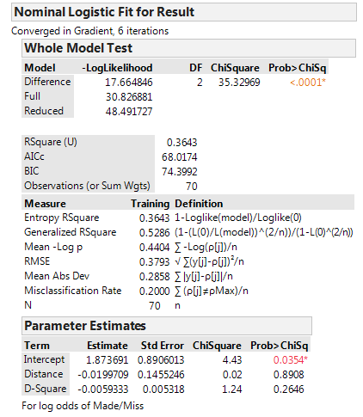
35 | 0.005649065859 |  |  |  |  | 0.0074326491759 | 0.0074326491759 |  |  |  |  | 1 | 11 | Made | 5 | 25
40 | 0.00092240807588 |  |  |  |  |  |  |  |  |  |  | 2 | 12 | Made | 5 | 25
 |  |  |  |  |  |  |  |  |  |  |  | 3 | 13 | Made | 5 | 25
 |  |  |  |  |  |  |  |  |  |  |  | 4 | 14 | Made | 5 | 25
 |  |  |  |  |  |  |  |  |  |  |  | 5 | 15 | Made | 5 | 25
 |  |  |  |  |  |  |  |  |  |  |  | 6 | 16 | Made | 5 | 25
Solver values to minimize square error |  |  |  |  |  |  |  |  |  |  |  | 7 | 17 | Made | 5 | 25
1.8831162173 | -0.033195116782 | -0.005094657711 |  |  |  |  |  |  |  |  |  | 8 | 18 | Made | 5 | 25
0.0061048963684 | = total of squared error |  |  |  |  |  |  |  |  |  |  | 9 | 19 | Miss | 5 | 25
 |  |  |  |  |  |  |  |  |  |  |  | 10 | 20 | Miss | 5 | 25
2.0884 | -0.0709 | -0.0039 |  |  |  |  |  |  |  |  |  | 1 | 21 | Made | 10 | 100
0.0074326491759 | = total of squared error |  |  |  |  |  |  |  |  |  |  | 2 | 22 | Made | 10 | 100
 |  |  |  |  |  |  |  |  |  |  |  | 3 | 23 | Made | 10 | 100
JMP Coefficients |  |  |  |  |  |  |  |  |  |  |  | 4 | 24 | Made | 10 | 100
A | B | C |  |  |  |  |  |  |  |  |  | 5 | 25 | Made | 10 | 100
1.873691 | -0.0199709 | -0.0059333 |  |  |  |  |  |  |  |  |  | 6 | 26 | Made | 10 | 100
0.0069187234768 | = total of squared error |  |  |  |  |  |  |  |  |  |  | 7 | 27 | Made | 10 | 100
 |  |  |  |  |  |  |  |  |  |  |  | 8 | 28 | Miss | 10 | 100
 |  |  |  |  |  |  |  |  |  |  |  | 9 | 29 | Miss | 10 | 100
 |  |  |  |  |  |  |  |  |  |  |  | 10 | 30 | Miss | 10 | 100
 |  |  |  |  |  |  |  |  |  |  |  | 1 | 31 | Made | 15 | 225
 |  |  |  |  |  |  |  |  |  |  |  | 2 | 32 | Made | 15 | 225
 |  |  |  |  |  |  |  |  |  |  |  | 3 | 33 | Made | 15 | 225
 |  |  |  |  |  |  |  |  |  |  |  | 4 | 34 | Made | 15 | 225
 |  |  |  |  |  |  |  |  |  |  |  | 5 | 35 | Made | 15 | 225
 |  |  |  |  |  |  |  |  |  |  |  | 6 | 36 | Made | 15 | 225
 |  |  |  |  |  |  |  |  |  |  |  | 7 | 37 | Miss | 15 | 225
 |  |  |  |  |  |  |  |  |  |  |  | 8 | 38 | Miss | 15 | 225
 |  |  |  |  |  |  |  |  |  |  |  | 9 | 39 | Miss | 15 | 225
 |  |  |  |  |  |  |  |  |  |  |  | 10 | 40 | Miss | 15 | 225
 |  |  |  |  |  |  |  |  |  |  |  | 1 | 41 | Made | 20 | 400
 |  |  |  |  |  |  |  |  |  |  |  | 2 | 42 | Made | 20 | 400
 |  |  |  |  |  |  |  |  |  |  |  | 3 | 43 | Made | 20 | 400
 |  |  |  |  |  |  |  |  |  |  |  | 4 | 44 | Miss | 20 | 400
 |  |  |  |  |  |  |  |  |  |  |  | 5 | 45 | Miss | 20 | 400
 |  |  |  |  |  |  |  |  |  |  |  | 6 | 46 | Miss | 20 | 400
 |  |  |  |  |  |  |  |  |  |  |  | 7 | 47 | Miss | 20 | 400
 |  |  |  |  |  |  |  |  |  |  |  | 8 | 48 | Miss | 20 | 400
 |  |  |  |  |  |  |  |  |  |  |  | 9 | 49 | Miss | 20 | 400
 |  |  |  |  |  |  |  |  |  |  |  | 10 | 50 | Miss | 20 | 400
 |  |  |  |  |  |  |  |  |  |  |  | 1 | 51 | Made | 25 | 625
 |  |  |  |  |  |  |  |  |  |  |  | 2 | 52 | Miss | 25 | 625
 |  |  |  |  |  |  |  |  |  |  |  | 3 | 53 | Miss | 25 | 625
 |  |  |  |  |  |  |  |  |  |  |  | 4 | 54 | Miss | 25 | 625
 |  |  |  |  |  |  |  |  |  |  |  | 5 | 55 | Miss | 25 | 625
 |  |  |  |  |  |  |  |  |  |  |  | 6 | 56 | Miss | 25 | 625
 |  |  |  |  |  |  |  |  |  |  |  | 7 | 57 | Miss | 25 | 625
 |  |  |  |  |  |  |  |  |  |  |  | 8 | 58 | Miss | 25 | 625
 |  |  |  |  |  |  |  |  |  |  |  | 9 | 59 | Miss | 25 | 625
 |  |  |  |  |  |  |  |  |  |  |  | 10 | 60 | Miss | 25 | 625
 |  |  |  |  |  |  |  |  |  |  |  | 1 | 61 | Miss | 30 | 900
 |  |  |  |  |  |  |  |  |  |  |  | 2 | 62 | Miss | 30 | 900
 |  |  |  |  |  |  |  |  |  |  |  | 3 | 63 | Miss | 30 | 900
 |  |  |  |  |  |  |  |  |  |  |  | 4 | 64 | Miss | 30 | 900
 |  |  |  |  |  |  |  |  |  |  |  | 5 | 65 | Miss | 30 | 900
 |  |  |  |  |  |  |  |  |  |  |  | 6 | 66 | Miss | 30 | 900
 |  |  |  |  |  |  |  |  |  |  |  | 7 | 67 | Miss | 30 | 900
 |  |  |  |  |  |  |  |  |  |  |  | 8 | 68 | Miss | 30 | 900
 |  |  |  |  |  |  |  |  |  |  |  | 9 | 69 | Miss | 30 | 900
 |  |  |  |  |  |  |  |  |  |  |  | 10 | 70 | Miss | 30 | 900

JMP
 |  |  |  |  | Analyze > Fit Model

Note that the probability of Made decreases as Feet increases.
Also the probability of Miss increases as Feet increases.

.2286 or 22.86% of the 70 observations are misclassified.

-.1856 coefficient for Feet shows that probability of Made decreases as Feet increases

Made/Miss indicates that Made is being predicted rather than Miss.

Use the output to predict the probability of a Made for a shot from 10 feet.
 |  | Distance | Linear function
Intercept | 2.69636004 |  | 2.69636004
Feet | -0.1856334 | 10 | -1.856334
 |  |  | 0.84002604 | = Linear function value for distance = 10
 |  |  | 0.43169928183 | = e-Linear function value for distance = 10
 |  |  | 0.6984707003 | = p^ = estimated probability of a Made from 10 feet Distance

 |  |  | 2.3164272958 | = eLinear function value for distance = 10
 |  |  | 0.6984707003 | = p^ = estimated probability of a Made from 10 feet Distance

JMP No-Yes
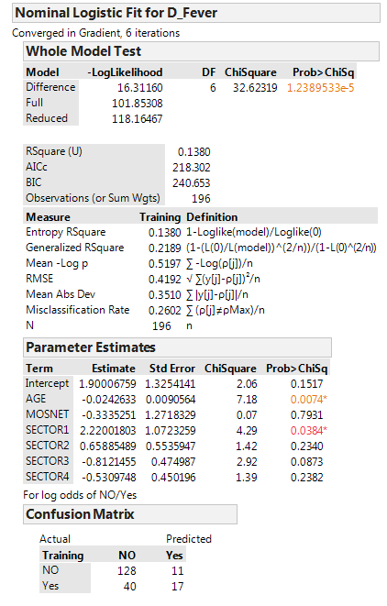
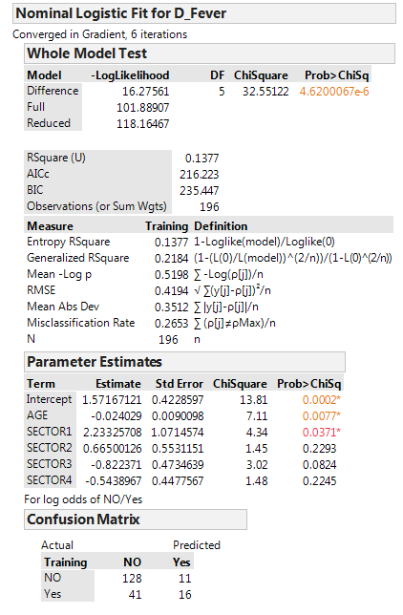
JMP equivalent for output on pages 690 & 691 |  |  |  |  |  |  | JMP without Mosquito Net variable |  |  |  |  |  |  | JMP with Age & only 2 Sectors
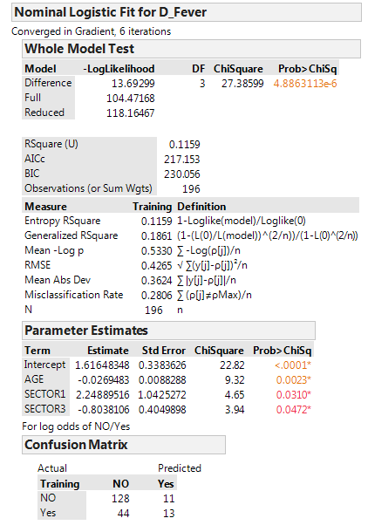

 | Predicted |  |  |  | FALSE | FALSE |  | Predicted |  |  |  | FALSE | FALSE |  | Predicted |  |  |  | FALSE | FALSE
Actual | NO | Yes | Total | % Correct | Positive | Negative | Actual | NO | Yes | Total | % Correct | Positive | Negative | Actual | NO | Yes | Total | % Correct | Positive | Negative
NO | 128 | 11 | 139 | 92.1% | 7.9% |  | NO | 128 | 11 | 139 | 92.1% | 7.9% |  | NO | 128 | 11 | 139 | 92.1% | 7.9%
Yes | 40 | 17 | 57 | 29.8% |  | 70.2% | Yes | 41 | 16 | 57 | 28.1% |  | 71.9% | Yes | 44 | 13 | 57 | 22.8% |  | 77.2%
Total | 168 | 28 | 196 | 73.98% |  |  | Total | 169 | 27 | 196 | 73.47% |  |  | Total | 172 | 24 | 196 | 71.94%
 |  |  |  | 26.02% | = % Misclassified |  |  |  |  |  | 26.53% | = % Misclassified |  |  |  |  |  | 28.06% | = % Misclassified
Baseline |  |  |  | 70.92% | = % No Fever |  |  |  |  |  | 70.92% | = % No Fever |  |  |  |  |  | 70.92% | = % No Fever

Motorcycles
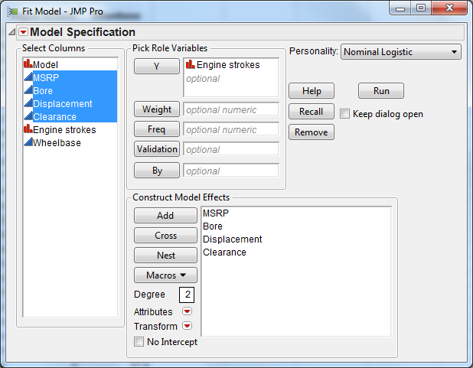
Model | MSRP | Bore | Displacement | Clearance | Engine strokes | Wheelbase | JMP (5 predictors for Engine Strokes)
HondaCR85R | 2999 | 48 | 84 | 12.2 | 2 | 49.1
HondaCR85RB | 3099 | 48 | 84 | 13.9 | 2 | 49.1
HondaCRF100F | 2249 | 53 | 99 | 10 | 4 | 49.2
HondaCRF150F | 2999 | 64 | 157 | 10 | 4 | 52.2
HondaCRF230F | 3499 | 66 | 223 | 11.7 | 4 | 54.1 |  |  | Confusion Matrix
HondaCRF250R | 5899 | 78 | 249 | 14.2 | 4 | 58.2 |  |  |  | Predicted
HondaCRF250X | 6199 | 78 | 249 | 14.2 | 4 | 58.6 |  |  | Actual | 2 Stroke | 4 Stroke | Total | % Correct
HondaCRF450R | 6699 | 96 | 449 | 13.4 | 4 | 58.7 |  |  | 2 Stroke | 32 | 4 | 36 | 88.89%
HondaCRF450X | 6999 | 96 | 449 | 13.7 | 4 | 58.2 |  |  | 4 Stroke | 2 | 55 | 57 | 96.49%
HondaCRF50F | 1249 | 39 | 49 | 5.8 | 4 | 36 |  |  | Total |  |  | 93 | 93.55%
The hit rate or % correct can be viewed somewhat like R² in least squares regression.
A bigger value is better.
HondaCRF70F | 1549 | 47 | 72 | 7 | 4 | 42
HondaCRF80F | 1949 | 48 | 80 | 8.6 | 4 | 47.6
HondaXR250R | 4699 | 73 | 249 | 12.4 | 4 | 55.1
HondaXR400R | 5299 | 85 | 397 | 12.2 | 4 | 56.1
KawasakiKDX200 | 4099 | 66 | 198 | 13.4 | 2 | 56.5
KawasakiKDX220R | 4499 | 69 | 216 | 13.4 | 2 | 56.5
KawasakiKDX50 | 1099 | 41 | 49 | 4.5 | 2 | 33.9
KawasakiKLR250 | 4099 | 74 | 249 | 10.6 | 4 | 55.7
The model is predicting 2 stroke rather than 4 stroke.
KawasakiKLX110 | 1649 | 53 | 111 | 7.5 | 4 | 41.9
KawasakiKLX125 | 2299 | 57 | 124 | 10.2 | 4 | 49
KawasakiKLX125L | 2499 | 57 | 124 | 11.4 | 4 | 50
KawasakiKLX300R | 4799 | 78 | 292 | 12.6 | 4 | 56.5 | Model using the two significant predictors.
KawasakiKX100 | 3349 | 52 | 99 | 15 | 2 | 50.8
KawasakiKX125 | 5099 | 54 | 124 | 13.4 | 2 | 57.9
This model would be a better because it is simpler and all variables are significant. Hit rate is at 92.47%.
KawasakiKX250 | 5999 | 66 | 294 | 13.4 | 2 | 58.3
KawasakiKX250F | 5599 | 77 | 249 | 13.4 | 4 | 58.1
KawasakiKX65 | 2799 | 45 | 65 | 12 | 2 | 44.1
KawasakiKX85 | 2999 | 48 | 84 | 13.4 | 2 | 49.4
KTM125SX | 5298 | 54 | 125 | 15.35 | 2 | 57.91
KTM200EXC | 5848 | 64 | 193 | 15.35 | 2 | 58.1
KTM250EXC | 6398 | 66 | 249 | 15.15 | 2 | 58.1 |  |  |  | Confusion Matrix
KTM250SX | 6248 | 66 | 249 | 15.1 | 2 | 58.1 |  |  |  |  | Predicted
KTM300EXC | 6498 | 72 | 293 | 15.15 | 2 | 58.1 |  |  |  | Actual | 2 Stroke | 4 Stroke | Total | % Correct
KTM300MXC | 6398 | 72 | 293 | 15.15 | 2 | 58.3 |  |  |  | 2 Stroke | 31 | 5 | 36 | 86.11%
KTM400EXC | 7198 | 89 | 398 | 15.15 | 4 | 58.3 |  |  |  | 4 Stroke | 2 | 55 | 57 | 96.49%
KTM450EXC | 7289 | 89 | 447 | 15.15 | 4 | 58.3 |  |  |  | Total |  |  | 93 | 92.47%
KTM450MXC | 7048 | 89 | 448 | 15.15 | 4 | 58.3
KTM450SX | 6498 | 95 | 449 | 15 | 4 | 58.3 | Use the characteristics of MSRP=4000 and Bore=60 to predict the probability of being 2 stroke.
KTM50MINI | 1598 | 40 | 49 | 7.48 | 2 | 35.63 |  | Estimate | Values | Linear function
KTM50SENIOR | 2148 | 40 | 49 | 10.04 | 2 | 40.55 | Intercept | 12.7680624 |  | 12.7680624
KTM50SXPROJUNIOR | 2998 | 40 | 49 | 8.66 | 2 | 35.82 | MSRP | 0.0022911 | 4000 | 9.1644
KTM50SXPROSENIOR | 3298 | 40 | 49 | 10.04 | 2 | 40.55 | Bore | -0.3617502 | 60 | -21.705012
KTM525EXC | 7548 | 95 | 510 | 15.15 | 4 | 58.3 |  |  |  | 0.2274504 | = Linear function value for MSRP= 4000 & Bore=60
KTM525MXC | 7348 | 95 | 510 | 15.15 | 4 | 58.3 |  |  |  | 1.2553951706 | = eLinear function value for MSRP= 4000 & Bore=60
KTM525SX | 6798 | 95 | 510 | 15 | 4 | 58.3 |  |  |  | 0.55661871896 | = p^ = estimated probability of a 2 stroke for MSRP= 4000 & Bore=60
KTM65SX | 3498 | 41 | 65 | 11.41 | 2 | 44.76 |  |  |  | 0.44338128104 | = p^ = estimated probability of a 4 stroke for MSRP= 4000 & Bore=60
KTM85SX | 3598 | 49 | 86 | 16.33 | 2 | 50.31
SuzukiDR200SE | 3899 | 66 | 199 | 10.2 | 4 | 55.3
SuzukiDR200SE | 3899 | 66 | 199 | 10.2 | 4 | 55.3
SuzukiDRZ110 | 1699 | 53 | 111 | 7.5 | 4 | 41.9
SuzukiDRZ125 | 2299 | 57 | 124 | 10.2 | 4 | 49
SuzukiDRZ125L | 2499 | 57 | 124 | 11.4 | 4 | 50
SuzukiDRZ250 | 4699 | 73 | 249 | 11.8 | 4 | 57.3
SuzukiDRZ400E | 5499 | 90 | 398 | 12.8 | 4 | 58.1
SuzukiDRZ400S | 5499 | 90 | 398 | 11.8 | 4 | 58.5
SuzukiDRZ400S | 5499 | 90 | 398 | 11.8 | 4 | 58.5
SuzukiJR50 | 1099 | 41 | 49 | 4.5 | 2 | 33.9
SuzukiRM125 | 5099 | 54 | 125 | 13.8 | 2 | 57.1
SuzukiRM250 | 5999 | 66 | 249 | 13.8 | 2 | 57.9
SuzukiRM65 | 2849 | 44 | 65 | 12 | 2 | 44.1
SuzukiRM85 | 3099 | 48 | 85 | 12.8 | 2 | 48.8
SuzukiRM85L | 3199 | 48 | 85 | 14 | 2 | 50.4
SuzukiRMZ250 | 5599 | 77 | 249 | 13.4 | 4 | 58.1
SuzukiRMZ450 | 6499 | 96 | 449 | 13.8 | 4 | 58.5
YamahaPW50 | 1079 | 40 | 49 | 4.1 | 2 | 33.7
YamahaPW80 | 1249 | 47 | 79 | 7.3 | 2 | 41
YamahaTTR125E | 2399 | 54 | 124 | 10.4 | 4 | 49
YamahaTTR125L | 2499 | 54 | 124 | 11.6 | 4 | 50
YamahaTTR230 | 3299 | 70 | 223 | 12 | 4 | 54.1
YamahaTTR250 | 4399 | 73 | 249 | 12 | 4 | 55.3
YamahaTTR90E | 1699 | 47 | 89 | 6.3 | 4 | 40.9
YamahaTW200 | 3699 | 67 | 196 | 10.4 | 4 | 52.2
YamahaWR250F | 5899 | 77 | 249 | 14.57 | 4 | 58.1
YamahaWR450F | 6599 | 95 | 449 | 14.57 | 4 | 58.4
YamahaYZ125 | 5299 | 54 | 124 | 15.8 | 4 | 58.3
YamahaYZ250 | 6099 | 66 | 249 | 15.6 | 2 | 58
YamahaYZ250F | 5699 | 77 | 249 | 15 | 4 | 58.5
YamahaYZ450F | 6399 | 95 | 449 | 14.6 | 4 | 49.5
YamahaYZ85 | 3099 | 47 | 85 | 13.8 | 2 | 58
HusabergFC450 | 8998 | 100 | 449 | 14.9 | 4 | 58
HusabergFC550 | 8998 | 100 | 549 | 14.9 | 4 | 58
HusqvarnaTC250 | 5999 | 76 | 249 | 13.4 | 4 | 58
HusqvarnaTC510 | 6899 | 97 | 501 | 13.4 | 4 | 58
HusqvarnaTC450 | 6499 | 97 | 449 | 13.4 | 4 | 58
HusqvarnaTE250 | 6299 | 76 | 249 | 13.4 | 4 | 57
HusqvarnaTE450 | 6889 | 97 | 449 | 13.4 | 4 | 57
HusqvarnaTE510 | 7199 | 97 | 501 | 13.4 | 4 | 58.86
HusqvarnaSM510R | 6799 | 97 | 501 | 10.63 | 4 | 51.97
HusqvarnaSM450R | 7299 | 97 | 449 | 10.63 | 4 | 51.97
GasGasPRO125 | 5199 | 54 | 124.8 | 13.6 | 2 | 51.97
GasGasPRO200 | 5299 | 64 | 175.3 | 13.6 | 2 | 51.97
GasGasPRO280 | 6249 | 76 | 272.2 | 13.6 | 2 | 51.97
GasGasPRO280 | 6249 | 76 | 272.2 | 13.6 | 2 | 58.5

